Hiearchy View
CLASS: HUMIDIFIER
a device, primarily an electrical appliance, that increases humidity in a single room or an entire buildin |  | 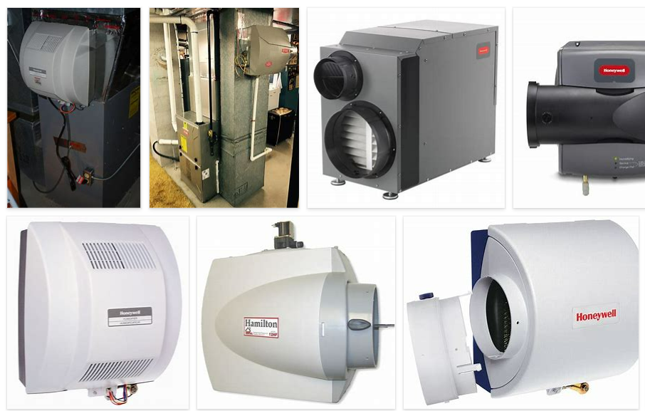
REMOVE | N

PROBLEM_DESC | CAUSE_DESC | REMEDY_DESC
BROKEN/DAMAGED
LEAKING
OTHER PROBLEM
OVERHEATING
POWER-ELEC
SMELL
STOPPED/SLOWED/POOR OPS
TEMP-CTRL
Grand Total

